Title
Biomethane Tool for economic analysis of biogas production,
gas upgrading and utilization of biomethane

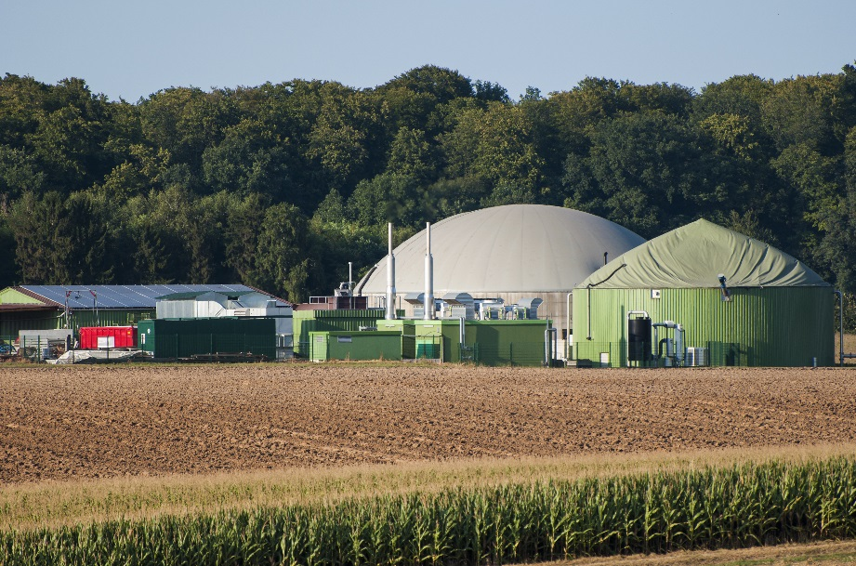
WP 6 – Task 6.2 / D 6.2

Version: | May, 4th 2016

Developed by: | Güssing Energy Technologies GmbH, Austria

Authors: | Philipp Novakovits, Christian Doczekal

Contributors: | Dominik Rutz, Juan-Manuel Ugalde

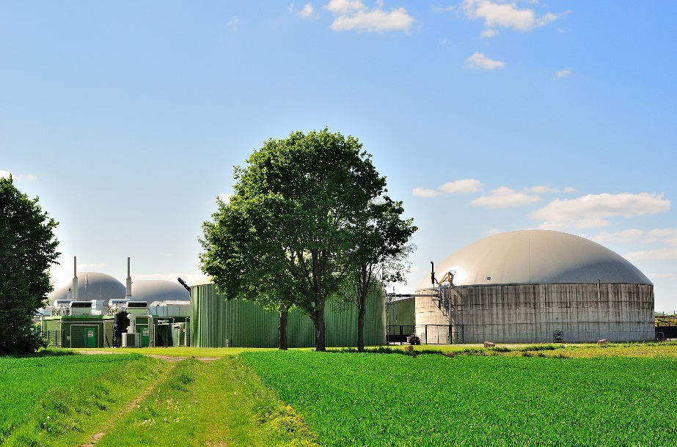
Contact: | Guessing Energy Technologies GmbH Philipp Novakovits Wiener Strasse 49 A-7540 Guessing Austria +43-3322-42606 321 p.novakovits@get.ac.at www.get.ac.at

Website: | www.bin2grid.eu

This project has received funding from the European Union’s Horizon 2020 research and innovation programme under grant agreement No 646560.
This tool reflects only the author’s view and the European Commission is not responsible for any use that may be made of the information it contains.

Graphics
Graphics

Production costs at different process steps [€/m³]
 | raw biogas | biomethane after upgrading | biomethane distributed with mobile storage systems | biomethane at grid injection | biomethane at fuel dispenser
 | 0.31 | 0.77 | 0.92 | 0.83 | 0.91
Production costs at different process steps [€/MWh]
 | raw biogas | biomethane after upgrading | biomethane distributed with mobile storage systems | biomethane at grid injection | biomethane at fuel dispenser
 | 51 | 77 | 93 | 83 | 91

Investment costs [€]
 | biogas plant | gas upgrading | mobile CNG storage systems | grid injection | filling station
 | 4,803,800 | 881,399 | 210,000 | 122,000 | 237,000
Running costs of biogas production [€/a]
operating costs | 116,603
costs for substrate | 0
insurance | 11,479
labour costs | 18,116
leasing costs | 440,547

 | Process flow chart
 |  |  |  |  |  |  |  |  |  |  |  |  |  |  | 20% | biomethane distributed via mobile storage systems

 |  |  |  |  |  |  |  |  |  |  |  |  |  |  |  |  | 166,352 | [m³/a]

 |  |  |  |  |  |  |  |  | Pressurized water scrubbing
 |  |  |  |  |  | 90% |  |  |  |  |  | 62% |  |  | 50%
 |  |  | biogas production |  |  |  | biogas for upgrading |  |  |  |  |  | biomethane produced |  |  | biomethane injected into the local natural gas grid
 | substrate/waste |  | 174 | [m³/h] |  |  | 157 | [m³/h] |  |  |  |  | 97 | [m³/h]
 | 8,020 | [t FM/a] | 1,526,000 | [m³/a] |  |  | 1,373,400 | [m³/a] |  |  |  |  | 831,761 | [m³/a] |  |  | 415,881 | [m³/a]

 |  |  |  |  |  |  |  |  |  |  |  |  |  |  | 30%
 |  |  |  |  |  | 10% |  |  |  |  | 38%
 |  |  |  |  |  |  |  |  |  |  |  |  |  |  |  | biomethane distributed at a CNG filling station
 |  |  |  |  | biogas used otherwise
 |  |  |  |  | (CHP, …) |  |  |  |  | Off-gas (mainly CO2) |  |  |  |  |  |  | 249,528 | [m³/a]
 |  |  |  |  | 17 | [m³/h] |  |  |  | 60 | [m³/h]
 |  |  |  |  | 152,600 | [m³/a] |  |  |  | 541,639 | [m³/a]

